Privacy Risk Map
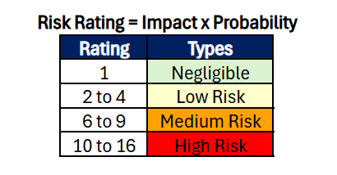
 |  | Privacy Risk Map
Impact | 4 | 4 | 8 | 12 | 16
 | 3 | 3 | 6 | 9 | 12
 | 2 | 2 | 4 | 6 | 8
 | 1 | 1 | 2 | 3 | 4
 |  | 1 | 2 | 3 | 4
 |  | Probability

Impact
Rating |  | Type |  | Description
1 |  | Negligible |  | The data subjects will either not be affected or may experience minor inconveniences that they can easily manage.
2 |  | Limited |  | The data subject may face major inconveniences but can still manage to overcome them with some difficulty.
3 |  | Significant |  | The data subjects may face major inconveniences that they might overcome, but it will be very difficult.
4 |  | Maximum |  | The data subjects may face serious or even irreversible consequences that they might not be able to overcome.

Probability
Rating |  | Type |  | Description
1 |  | Unlikely |  | Rare chance; not expected but possible.
2 |  | Possible |  | Could happen sometimes.
3 |  | Likely |  | Happens regularly or often.
4 |  | Almost Certain |  | Expected to happen in most cases.

